Arkusz1
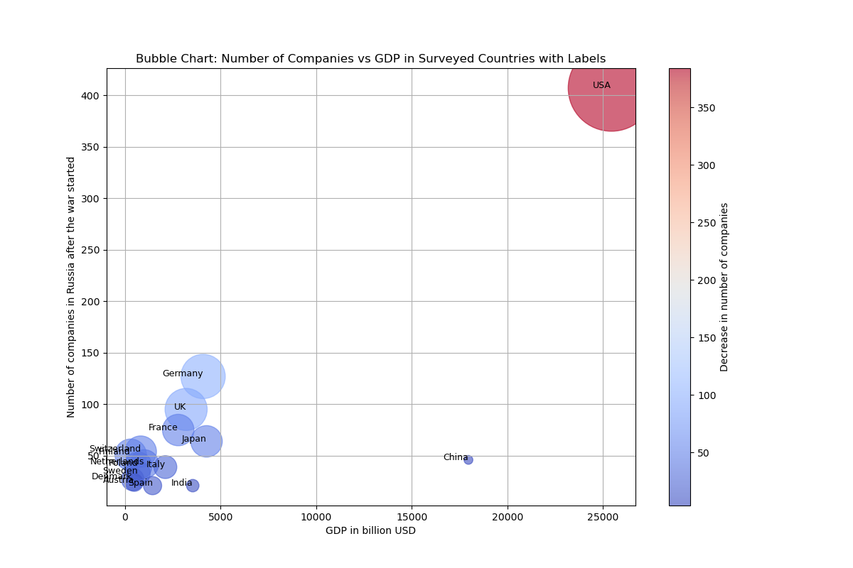
Bubble Chart Illustrating Changes in Countries’ Engagement in the Russian Market
The larger the diameter of the circle for a given country, the greater the decline in relative engagement in relation to GDP – DATE MISSING.

